Source analysis
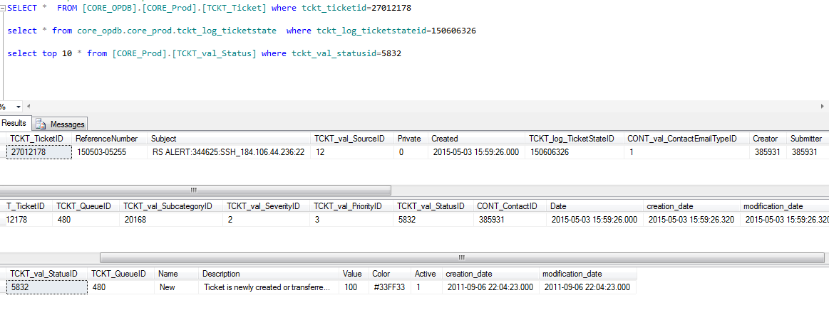
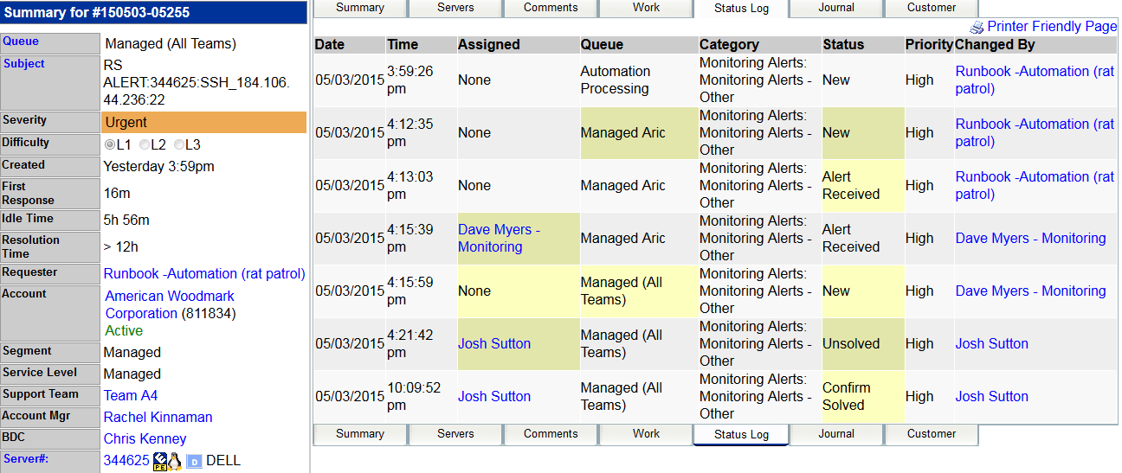
Ticket_status:
Note: Please address my concerns:
This value as the name suggests will come from TCKT_val_status. Primary key of this table is "tckt_val_statusid". But there is no direct relation with this key to TCKT_ticketid in TCKT_Ticket table.So I did check the other tables and found that TCKT_log_ticketState table has "tckt_val_statusid" and it has also linked to TCKT_Ticket table. So these joins will help to get the status. But the example i took is showing different result , may be because of the timing. In TCkt-log_ticketstate table this record was created at 2015-05-03 15:59:26 with state 'NEW'. But in the Core application, the latest status is shown as 'Confirm Solved'. So Am i going in the right path?

